Job Details

Job Number & Name: | 35084 LB Bexley
Site Number/Name: | Site 17 - Days Lane (South)
Client: | Waterman
Date: | 2023-03-30

Site Plan
Advanced Transport Research |  |  | Job Number & Name: | 35084 LB Bexley
Site 17 - Days Lane (South) |  |  | Date: | 2023-03-30

Job Type: | Pedestrian & Vehicle Count
Co-ordinates: | 51°26'56.01"N, 0° 5'57.51"E | Postcode: | DA15 8JR |  | Times: | 0730-0930 1430-1630

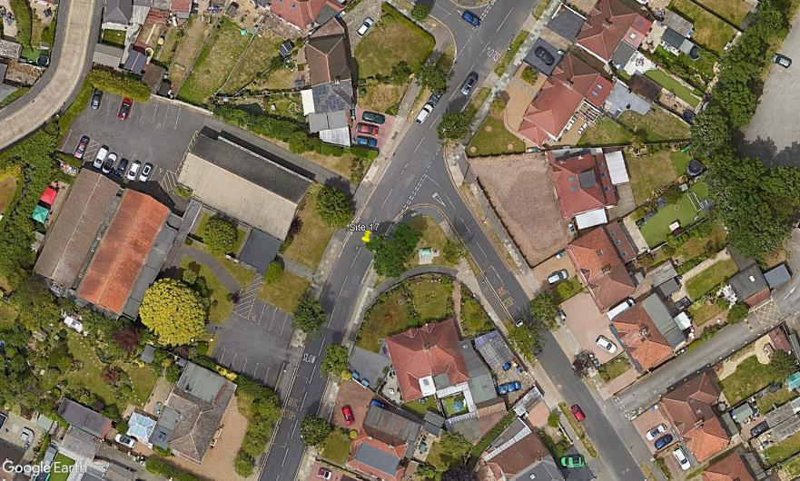
N
3

B

A

D

C

1
2

Burnt Oak Lane

Days Lane

